Sheet1
Impedance Worksheet
EchoPilot SBX Herelink Radio Board
Note: Impedance controlled traces can be identified using the unique trace widths specified below.

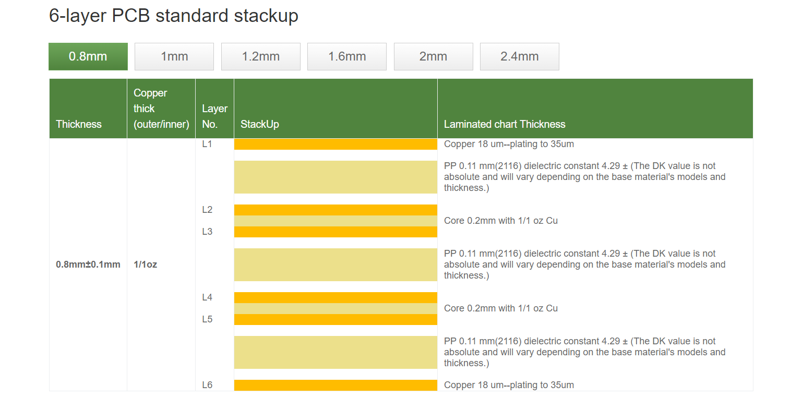

Ethernet | Target 100
Type | Diff Pair
Routing Layer | Reference | Stackup Space | Width | Spacing
L1 | L2 | 0.11 | 5.2 | 6.8
L6 | L5 | 0.11 | 5.2 | 6.8

